Corner WS
 |  |  |  | CORNER WORKSHEET

 |  |  | STORE NAME: |  |  | 0
Please check all the necessary information is on the Order before submitting. |  |  | ACCOUNT NAME: |  |  | 0
 |  |  | WORKSHEET # / PO # : |  |  | 0
 |  |  | DATE: |  |  | 0

PHONE: | +61 2 9680 7999 |  | EMAIL TO: |  | support@pacificwholesale.com.au
FAX: | + 61 2 9680 7488 |  | ENQUIRIES: |  | support@pacificwholesale.com.au
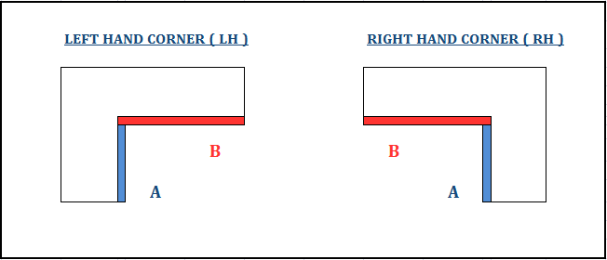

Room Location | Product | Left Hand Or Right Hand | Recess / Face | Allowance ACT / NAM | Butt / Thru Blind | If Recess: Front/Back Measure | Measurements (mm)
 |  |  |  |  |  |  | A | B | Drop

Bay WS
 |  |  |  | BAY WORKSHEET

 |  |  | STORE NAME: |  |  |  | 0
Please check all the necessary information is on the Order before submitting. |  |  | ACCOUNT NAME: |  |  |  | 0
 |  |  | WORKSHEET # / PO # : |  |  |  | 0
 |  |  | DATE: |  |  |  | 0

PHONE: | +61 2 9680 7999 |  | EMAIL TO: |  |  | support@pacificwholesale.com.au
FAX: | + 61 2 9680 7488 |  | ENQUIRIES: |  |  | support@pacificwholesale.com.au
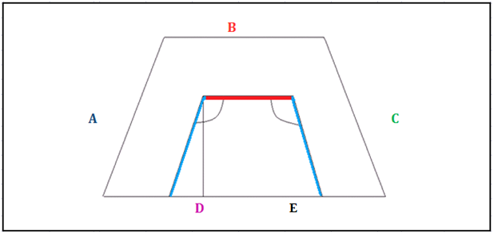

Room Location | Product | Recess / Face | Allowance ACT / NAM | If Recess: Front/Back Measure | Angle (°) | Measurements (mm)
 |  |  |  |  |  | A | B | C | D | E | Drop

